T2.11.5 T2.6 Guidance Notes
MONOCOQUE EQUIVALENCY GUIDANCE NOTES - MAIN HOOP BRACING SUPPORT

 | There are three scenarios for main hoop bracing | 3. Teams with non square/rectangular structures must complete an analysis similar to
 | support equivalency. | that required in scenario 2, but at a cross-section through the structure where the
 |  | equivalent tube offset ("d" in the image below) is ~ 75mm.
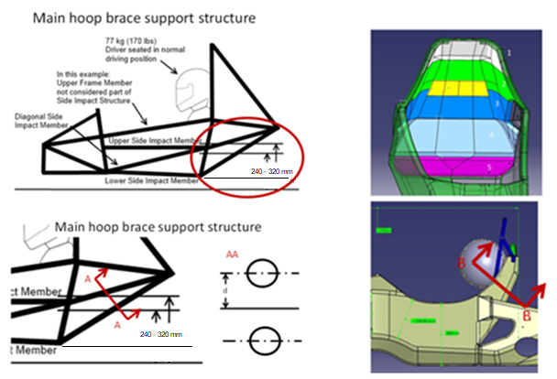
 | 1. Chassis with a square/rectangular structure rearward
 | of the main hoop; the design is >=100% equivalency
 | using the flat-panel calc by entering the panel height
 | as per the image shown to the right of this text.

 | In this case no additional proof is required, but images
 | of the chassis proving the panel height entered
 | must be supplied.

 | 2. Chassis with a structure as per 1., but where >=100% equivalence is not shown on the
 | flat panel calc alone.

 | In this case additional proof of equivalence is required, by showing the actual chassis
 | design is >=100% equivalent, it is acceptable to include half of the chassis in this proof.

 | Using a CAD measure of the cross-section, or other appropriate method, provide proof
 | of the second moment of area and area of the monocoque skins.

 | Multiply this measured "I" by the "E" derived from the required physical test to prove the
 | buckling modulus is equivalent.

 | The measured "I" must be transposed from the cross-section centroid to a reference
 | co-ordinate system on the chassis centre-line, and the same completed for the baseline
 | tubes.

 |  |  | BACK

 | The measured "A" must be multiplied by the physical test derived skin UTS to prove
 | the strength of the section is >=100%

T2.15 T2.6 Guidance Notes
MONOCOQUE EQUIVALENCY GUIDANCE NOTES - FRONT BULKHEAD SUPPORT

 | There are two scenarios for front bulkhead bracing support equivalency.

 | 1. Chassis where, when calculated as a flat panel, the vertical panel between the
 | front bulkhead and front hoop shows >=100% to 3 front bulkhead support tubes.

 | In this case no additional proof is required, but images of the chassis proving the panel
 | height entered must be supplied.
Front Bulkhead Support T2.15: T2.15.2 Equivalency in the SES is based on a half car model.
First option: Flat panel assumption
-Panel height = FBHS

 | 2. Chassis where the flat panel calculation shows >33% but <100% equivalence to 3
 | front bulkhead support tubes.
 | (If the flat panel calculation shows <33% equivalence the panel core and/or skin
 | thickness must be increased and the physical tests repeated until >33% is achieved)

 | In this case additional proof of equivalence is required, by showing the actual chassis | BACK
 | design is >=100% equivalent.

 | Using a CAD measure of the cross-section, or other appropriate method, provide proof
 | of the second moment of area and area of the monocoque skins.

 | Multiply this measured "I" by the "E" derived from the required physical test to prove the
 | buckling modulus is equivalent.

 | The measured "I" must be transposed from the cross-section centroid to a reference
 | co-ordinate system on the chassis centre-line, and the same completed for the baseline
 | tubes.

 | The measured "A" must be multiplied by the physical test derived skin UTS to prove
 | the strength of the section is >=100%

T2.16.2 Guidance Notes
MONOCOQUE SIDE IMPACT STRUCTURE GUIDANCE NOTES

 | There is only one scenario for monocoque side-impact structure equivalency.

 | Unlike other areas of the monocoque, no allowance for geometric form is allowed.

 | The requirement to prove buckling modulus remains, but with a more stringent requirement
 | where:

 | - The vertical side-impact zone, when calculated as a flat-panel must equivalent EI to
 | two baseline side-impact tubes.

 |  | Note: In practical terms it is impossible for a car with rules compliant ride height to
 |  | have a panel height greater than 320mm, panel heights greater than this will
 |  | return a null value for EI

 | - The horizontal floor (up-to the centre of the chassis), when calculated as flat-panel
 | must have equivalent EI to one baseline side-impact tube.

 | In both cases this is calculated about the weakest axis.
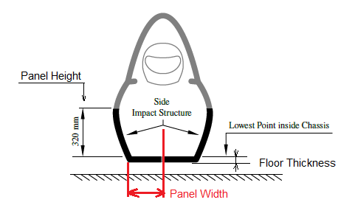

 | BACK

T2.6.9 Guidance Notes
PERIMETER SHEAR TEST GUIDANCE NOTES

 | When entering peak loads please ensure they are in accordance with the image below:

 | Note: If the first peak is higher than the second then it can be used for the punch through
 | strength requirement.

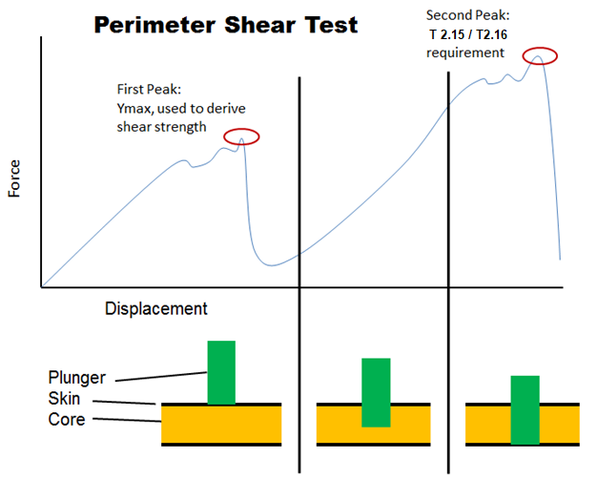

 |  | BACK

Monocoque Attachments Guidance
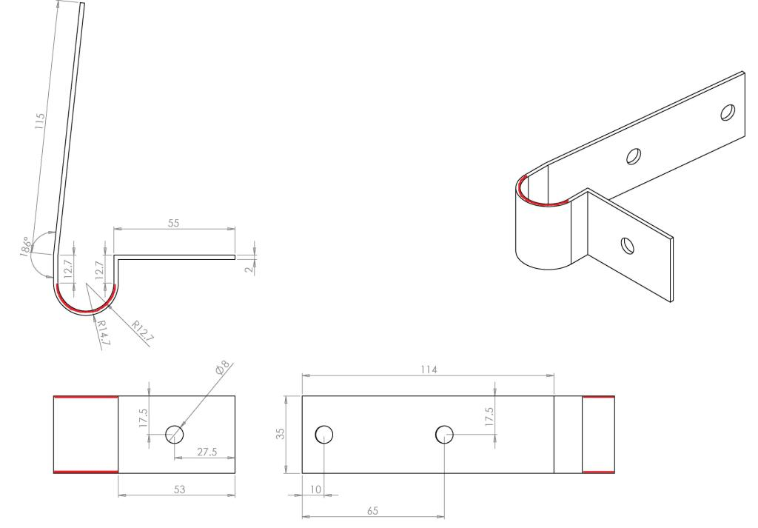

MONOCOQUE ATTACHMENTS GUIDANCE NOTES
 |  |  | Note: Brackets which have no "form" or gusseting are not acceptable as they will fail in
 | All monocoque attachment tabs follow the same order, stepping through each key element |  | bending at <30KN
 | from Row 13 to Row 20.
 |  |  | Below are some examples of brackets which are not acceptable:
 | The images below show an example hoop attachment, in this case the following data
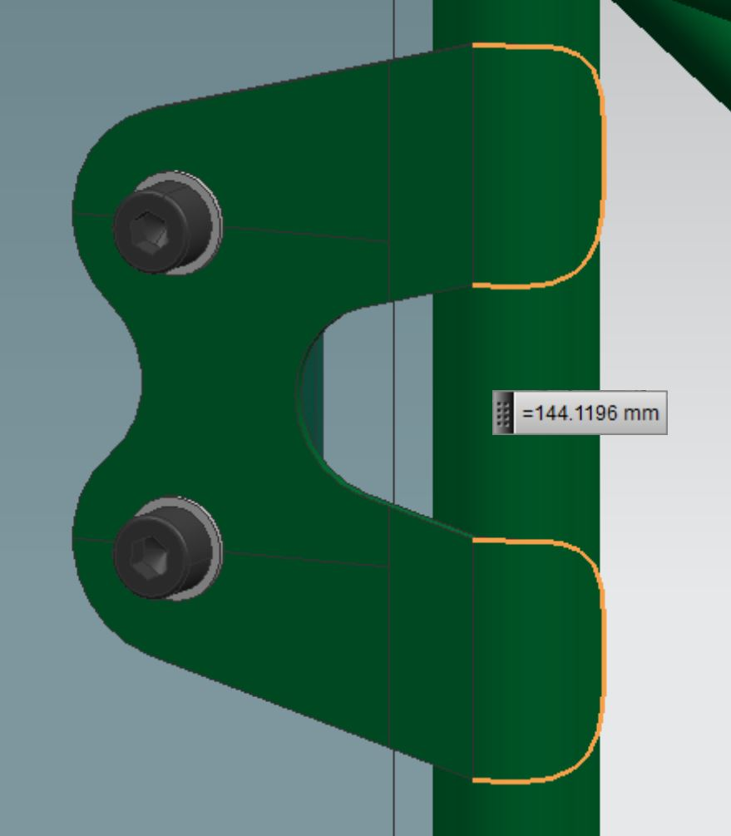
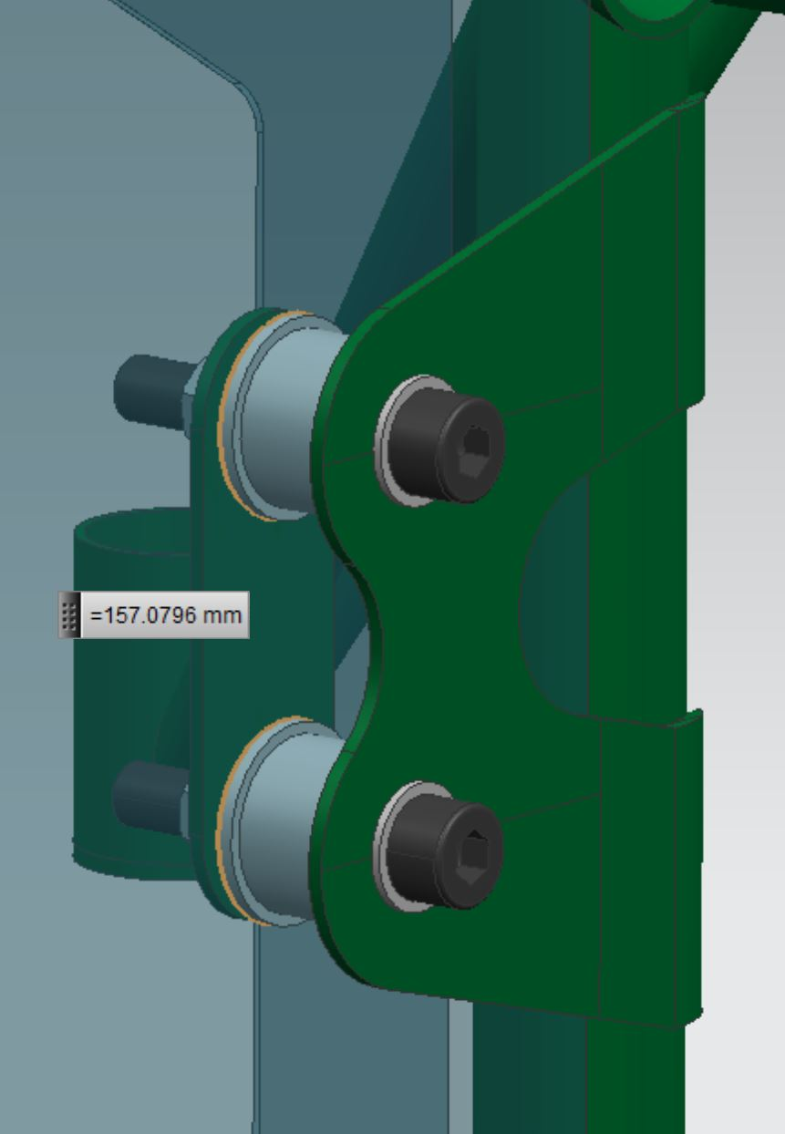
 | would be entered:

 | Row 13: | Total weld length of all welds joining the hoop tube to the bracket
 | Row 14: | Thickness of the bracket joined to the hoop
 | Row 15: | Outside perimeter of the bracket joined to the hoop
 | Row 16: | Thickness of the laminate skin in contact with the bracket joined to the hoop
 | Row 17: | Combined outside perimeter of all inserts in the core material
 | Row 18: | Thickness of the laminate skin in contact with the backing plate
 | Row 19: | Thickness of the backing plate
 | Row 20: | Outside perimeter of the backing plate
 | Row 21: | Shortest distance from edge of bolt hole to nearest "free edge"

 | Entering the combined perimeter of all inserts between the outer and inner skins is
 | optional, provided the strength in both loading directions is >=30kN without their inclusion.

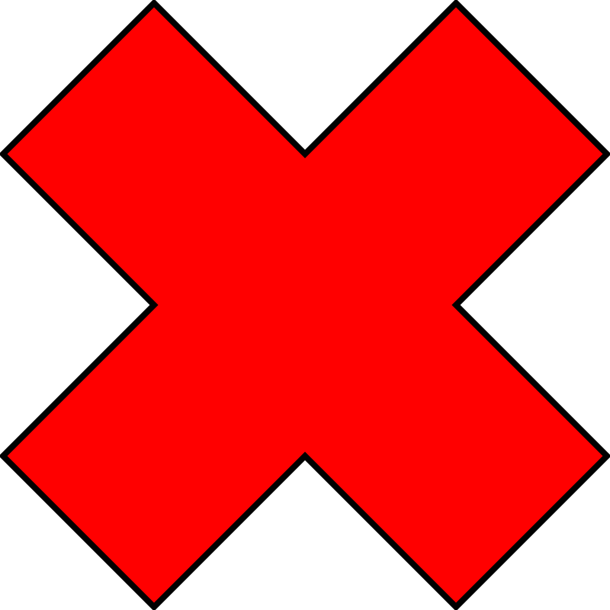

 |  |  |  | BACK

